Sheet1
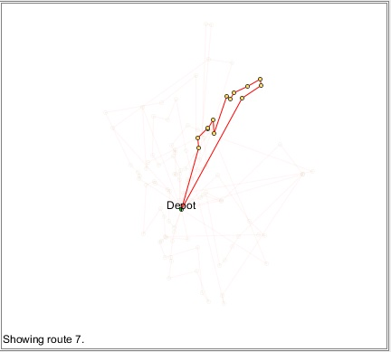
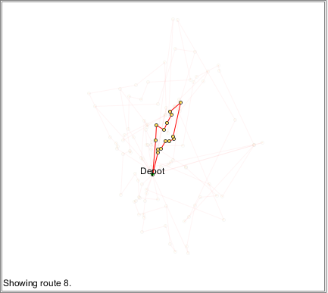
Problem | Routes | Visits | Cost | Emissions | Time | Distance | Returns | Transport Mode | min. Factor
blon-1 | 10 | 110 | 1955.153335 | 635.1858321 | 5300.8411071 | 790.33223733 | 5 | Car | Cost | All Agents
blon-1 | 10 | 110 | 1961.0882748 | 626.45244679 | 5278.9229001 | 781.67454558 | 5 | Car | Cost | One Player
blon-1 | 10 | 110 | 1957.6034639 | 634.17813379 | 5306.0805301 | 792.40180939 | 5 | Car | Cost | One Player
blon-1 | 10 | 110 | 1935.2640389 | 630.1473406 | 5213.4013763 | 755.7935436 | 5 | Car | Cost | One Player | <- Without look ahead
blon-1 | 10 | 110 | 1857.9386135 | 587.48811231 | 5059.2906671 | 694.91981351 | 5 | Car | Cost | One Player | <- With look ahead
blon-1 | 10 | 110 | 1850.0478066 | 525.34671679 | 5105.9822323 | 713.36298179 | 5 | Car | Emissions | One Player | <- Adjustable Bids

